Bucket List and Relationship
Data Bucket Name | Acronym | Definition | Standards
Project | PRJ | A temporary endeavor undertaken to create one or more unique AM products or AM services. Links to all other information in other database (PLM systems); may include platform, criticality, sponsors, material DB ID, organization, distribution control (e.g., ITAR restricted or not) | ISO/IEC 29155
Build | BLD | A Build is an action to make one or more objects in a single action by an additive manufacturing system. A Build record encompasses all of the data for the build cycle; Build Cycle: single process cycle in which one or more components are built up in layers in the process chamber of the additive manufacturing system. | ISO/ASTM 52900
Part Design | PTD | Detailed information for the design of a part - STL, AM CAD, reverse engineered model. The part design, from which a physical object can be printed on an AM system.
Built Part | BPT | Instances of part designs in the as-built state. One build can have multiple build parts of the same part design. As Built: refers to the state of parts (2.6.1) made by an additive process before any post processing, besides, if necessary, the removal from a build platform (2.3.5) as well as the removal of support and/or unprocessed feedstock (2.5.2) | ISO/ASTM 52900
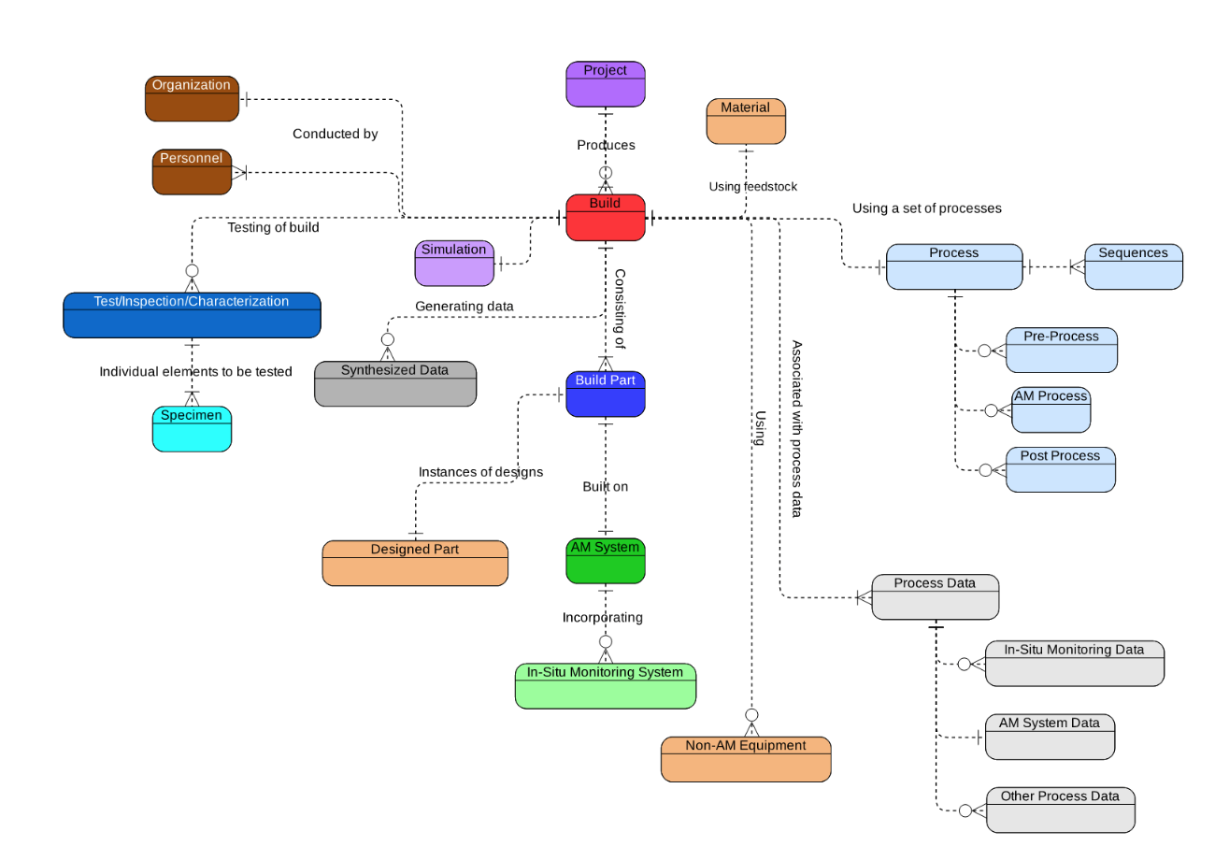
AM System | AMS | Additive Manufacturing System Machine and auxiliary equipment used for additive manufacturing | ISO/ASTM 52900
Material | MAT
Process Control | PRC | All stages of manufacturing processes of a part that are utilized to produce a certified AM component. This bucket is for process settings.
Process Data | PRD | The direct/derived output that is obtained from the AM system and in-situ monitoring system during an AM fabrication process Note: The sensing data should be synchronized with the machine data and build progress (enabling temporal/spatial alignment)
Test/Inspection/Characterization | TIC | Any inspection or test performed on any material from any stage of the additive manufacturing fabrication process (excluding in-process monitoring). This includes the specimen, the TIC method, and the results.
Organization | ORG | The organization performing a task or providing services/products, and their credentials, including Vendors/Manufacturers/Suppliers/contractors
Personnel | PER | Individuals performing tasks and their credentials
Non-AM Equipment | EQT | Non AM system equipment/devices required for pre/post processes and post inspection
Synthesized Data | SYN | Data that has been reduced from its original raw form and often indicates clearer, more human-friendly, interpretable results. This could include; statistical or trend related results, material cards (for design/simulation), or similar.
Software | SW | Computer programs Note: during design, simulation, AM fabrication processes and for the analysis; other than those coming with the AM system and in-situ monitoring systems
Simulation | SIM | Data used and generated from computer programs using physics based models: including the models and the simultion outputs

Manufacturing Process |  | structured set of activities involving a flow and/or transformation of material, information, energy, or any other element | ISO18435, 20140-2019

 |  | Structured set of activities or operations performed upon material to convert it from the raw material or a semifinished state to a state of further completion | ISO15531, 18629

subtractive manufacturing process |  | process of machining, grinding, or reducing a larger bulk object to create a smaller detailed three dimensional object using computer aided design software and computer aided manufacturing methods | ISO 18739

generative manufacturing process |  | manufacturing process in which three-dimensional components are produced, for instance, by applying material layer-by-layer | ISO 18457

Process Material |  | the material (see 3.3.27) that is transformed or transported by a process activity | ISO 10303-227-2015

processing material |  | type of material essential to the manufacturing process that is not incorporated into the resultant material (but can be present in the resultant material as constituent) | ISO 11238-2018; ISO 19844

materials in process |  | products or materials that have had processes applied to them but are still awaiting further additional processes to be applied — for example packing, varnishing

